Sheet1
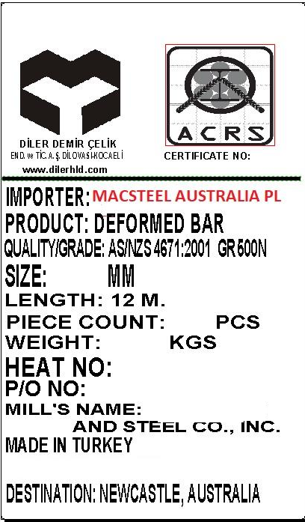
LOT NO | P.O NUMBER | LOT WEIGTH (MT) | DESTINATION
1 | 160207 | 52 | SYDNEY
2 | 160208 | 260 | SYDNEY
3 | 160209 | 312 | SYDNEY
4 | 160210 | 676 | MELBOURNE
5 | 160211 | 338 | SYDNEY
6 | 160212 | 130 | BRISBANE
7 | 160213 | 104 | SYDNEY
8 | 160214 | 78 | MELBOURNE
9 | 160215 | 52 | FREMANTLE
10 | 160259 | 52 | SYDNEY
11 | 160262 | 26 | BRISBANE
12 | 160264 | 104 | MELBOURNE

